week 1
 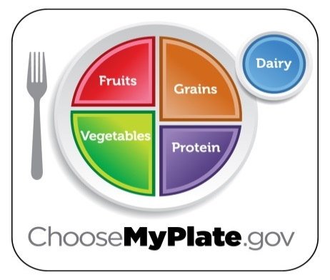 Harborcreek Youth Services |  |  |  |  |  |  |  | Daily Milk Choices: 1% White Milk Fat Free Milk Lactaid
Cycle Menu Week 1

 | Sunday | Monday | Tuesday | Wednesday | Thursday | Friday | Saturday | WG = WHOLE GRAIN
 | 2024-04-07 | 2024-04-08 | 2024-04-09 | 2024-04-10 | 2024-04-11 | 2024-04-12 | 2024-04-13 | Daily Alternate Peanut Butter & Jelly available at Lunch and Dinner
BREAKFAST

 | Scrambled Egg | French Toast Sticks | Sausage Egg and Cheese | Southwest Bagel | Fruit Strudel | Egg & Cheese on | Breakfast
 | Sausage Patty | Sausage Patty | Bagel |  |  | English Muffin | Bowl
 | Or | Or | Or | Or | Or | Or | Or
 | Assorted Cold Cereal | Assorted Cold Cereal | Assorted Cold Cereal | Assorted Cold Cereal | Assorted Cold Cereal | Assorted Cold Cereal | Assorted Cold Cereal

 | Toast/mini muffin | Toast/mini muffins | Toast/mini muffins | Toast/mini muffins | Toast/mini muffins | Toast/mini muffins | Toast/mini muffins
 | Juice | Juice | Juice | Juice | Juice | Juice | Juice
 | Featured Fruit | Featured Fruit | Featured Fruit | Featured Fruit | Featured Fruit | Featured Fruit | Featured Fruit
 | MILK | MILK | MILK | MILK | MILK | MILK | MILK
 |  |  |  |  |  |  |  | DAILY FRUIT OPTIONS MAY INCLUDE: Oranges, Bananas, Red Apples, Green Apples, and other seasonal fruit.

LUNCH

 | Roast Pork | Beef and Cheddar | Walikng Taco | Stuffed Pepper Soup | Cheese Calzone | Macaroni & Cheese | Salisbury Steak
 |  | Wrap | Nacho Cheese Doritos
 | Mashed Potatoes |  |  |  | Bread Stick | Garlic Toast | Mashed Potatoes
 |  | Baby Bakers |  | Breadstick
 |  |  |  |  |  | Stewed Tomatoes | Broccoli
 | Sauerkraut | Green Beans | Peas |  | Mixed Veggies

 | Alternate Entrees | Alternate Entrees | Alternate Entrees | Alternate Entrees | Alternate Entrees | Alternate Entrees | Alternate Entrees
 |  |  |  |  |  |  |  | What Makes a Breakfast? Select 3 of the 4 items listed below, one must be a 1/2 cup of fruit/veg: Grain or Grain/Protein, Fruit or vegetable, Milk
 | Crispy Chicken Salad | Crispy Chicken Salad | Crispy Chicken Salad | Crispy Chicken Salad | Crispy Chicken Salad | Crispy Chicken Salad | Crispy Chicken Salad

 | Buffalo Chicken Wrap | Buffalo Chicken Wrap | Buffalo Chicken Wrap | Buffalo Chicken Wrap | Buffalo Chicken Wrap | Buffalo Chicken Wrap | Buffalo Chicken Wrap

 | Peanut Butter & Jelly | Peanut Butter & Jelly | Peanut Butter & Jelly | Peanut Butter & Jelly | Peanut Butter & Jelly | Peanut Butter & Jelly | Peanut Butter & Jelly

 | Featured Fruit | Featured Fruit | Featured Fruit | Featured Fruit | Featured Fruit | Featured Fruit | Featured Fruit

 | Milk | Milk | Milk | Milk | Milk | Milk | Milk

DINNER
 |  |  |  |  |  |  |  | What makes a Lunch? Select three of the five components, one must be 1/2 cup of fruit or vegetable: Meat/Meat alternate, Vegetable, Fruit, Grain/Bread, Milk
 | Chicken Pot Pie | Vegetable Lo Mein | Rotini Pasta | Clients Choice | Chicken Patty on Bun | Turkey & Cheddar | Chef's Choice
 |  |  | w/Meat Sauce | Unit 1 | w/Chips | On Flatbread

 | Hot or Cold Vegetable | Hot or Cold Vegetable | Hot or Cold Vegetable | Hot or Cold Vegetable | Hot or Cold Vegetable | Hot or Cold Vegetable | Hot or Cold Vegetable

 | Featured Fruit | Featured Fruit | Featured Fruit | Featured Fruit | Featured Fruit | Featured Fruit | Featured Fruit

 | Milk | Milk | Milk | Milk | Milk | Milk | Milk

 | Menu subject to change based on product availabilty

 | This Facility is an Equal Opportunity Provider and Employer

